Sheet1
Lacoste
MODEL | MONOCHROME COTTON PIMA JERSEY CREW NECK T-SHIRT
1 | COLOUR | SIZES |  |  |  |  | STYLE NUMBER | TOTAL | DESCRIPTION
 | WHITE -001 | 3-S | 4-M | 5-L | 6-XL | 7-XXL | TH6709-00-001 | 2100 | Premium Pima cotton Regular, straight cut Weight: 130 gsm Embroidered crocodile on chest Cotton (100%)
 |  | 300 | 600 | 600 | 300 | 300
 |  |  |  |  |  |  | RETAIL PRICE | 60.00 €

Lacoste
MODEL | MONOCHROME COTTON PIMA JERSEY CREW NECK T-SHIRT
2 | COLOUR | SIZES |  |  |  |  | STYLE NUMBER | TOTAL | DESCRIPTION
 | BLACK-031 | 3-S | 4-M | 5-L | 6-XL | 7-XXL | TH6709-00-031 | 2100 | Premium Pima cotton Regular, straight cut Weight: 130 gsm Embroidered crocodile on chest Cotton (100%)
 |  | 300 | 600 | 600 | 300 | 300
 |  |  |  |  |  |  | RETAIL PRICE | 60.00 €

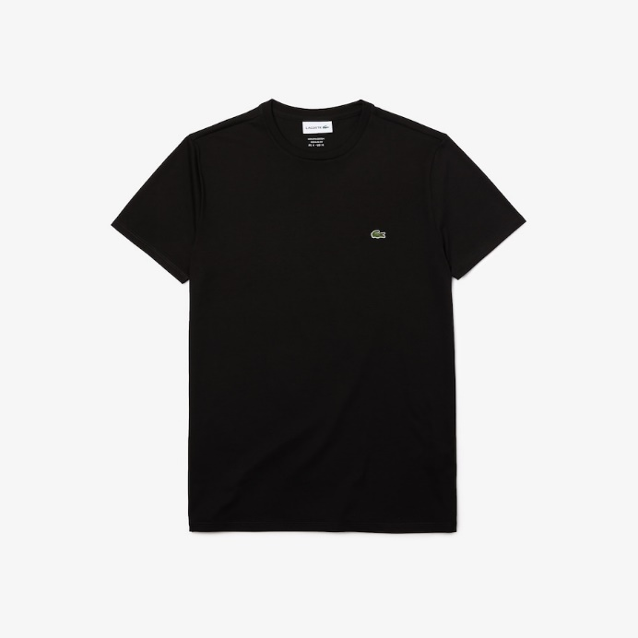

Lacoste
MODEL | MONOCHROME COTTON PIMA JERSEY CREW NECK T-SHIRT
3 | COLOUR | SIZES |  |  |  |  | STYLE NUMBER | TOTAL | DESCRIPTION
 | MIDNIGTH BLUE 166 | 3-S | 4-M | 5-L | 6-XL | 7-XXL | TH6709-00-166 | 2100 | Premium Pima cotton Regular, straight cut Weight: 130 gsm Embroidered crocodile on chest Cotton (100%)
 |  | 300 | 600 | 600 | 300 | 300
 |  |  |  |  |  |  | RETAIL PRICE | 60.00 €

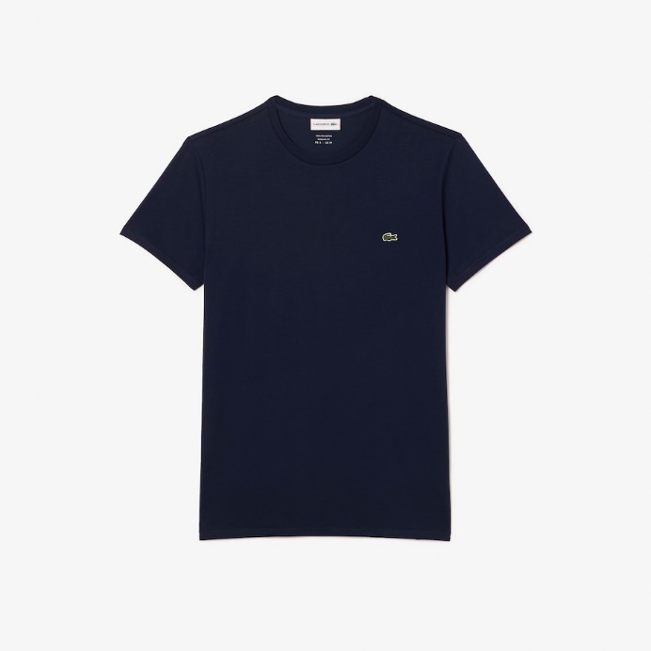

Lacoste
MODEL | MONOCHROME COTTON PIMA JERSEY CREW NECK T-SHIRT
4 | COLOUR | SIZES |  |  |  |  | STYLE NUMBER | TOTAL | DESCRIPTION
 | PINE GREEN | 3-S | 4-M | 5-L | 6-XL | 7-XXL | TH6709-00-132 | 2100 | Premium Pima cotton Regular, straight cut Weight: 130 gsm Embroidered crocodile on chest Cotton (100%)
 |  | 300 | 600 | 600 | 300 | 300
 |  |  |  |  |  |  | RETAIL PRICE | 60.00 €

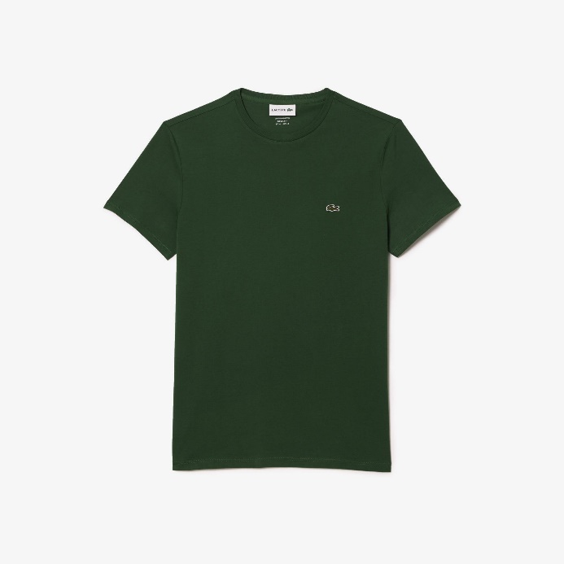

Lacoste
MODEL | MONOCHROME COTTON PIMA JERSEY CREW NECK T-SHIRT
5 | COLOUR | SIZES |  |  |  |  | STYLE NUMBER | TOTAL | DESCRIPTION
 | GLOBE BLUE | 3-S | 4-M | 5-L | 6-XL | 7-XXL | TH6709-00-HBM | 2100 | Premium Pima cotton Regular, straight cut Weight: 130 gsm Embroidered crocodile on chest Cotton (100%)
 |  | 300 | 600 | 600 | 300 | 300
 |  |  |  |  |  |  | RETAIL PRICE | 60.00 €

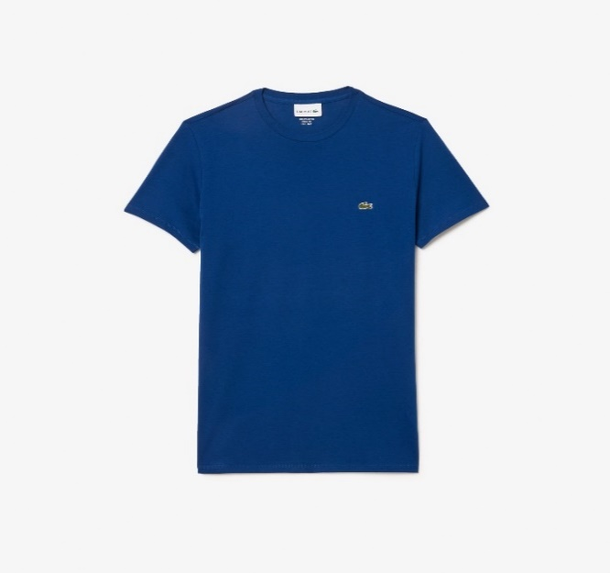

Lacoste
MODEL | MONOCHROME COTTON PIMA JERSEY CREW NECK T-SHIRT
6 | COLOUR | SIZES |  |  |  |  | STYLE NUMBER | TOTAL | DESCRIPTION
 | RED | 3-S | 4-M | 5-L | 6-XL | 7-XXL | TH6709-00-240 | 2100 | Premium Pima cotton Regular, straight cut Weight: 130 gsm Embroidered crocodile on chest Cotton (100%)
 |  | 300 | 600 | 600 | 300 | 300
 |  |  |  |  |  |  | RETAIL PRICE | 60.00 €

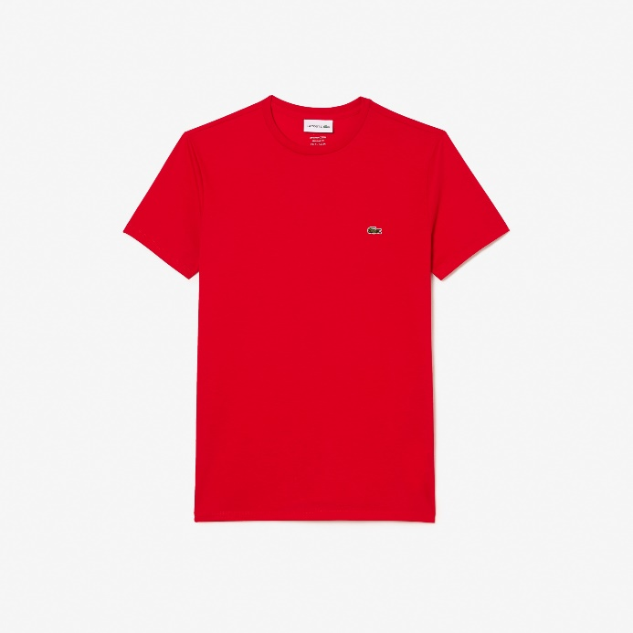

Lacoste
MODEL | MONOCHROME COTTON PIMA JERSEY CREW NECK T-SHIRT
7 | COLOUR | SIZES |  |  |  |  | STYLE NUMBER | TOTAL | DESCRIPTION
 | BEIGE | 3-S | 4-M | 5-L | 6-XL | 7-XXL | TH6709-00-02S | 2100 | Premium Pima cotton Regular, straight cut Weight: 130 gsm Embroidered crocodile on chest Cotton (100%)
 |  | 300 | 600 | 600 | 300 | 300
 |  |  |  |  |  |  | RETAIL PRICE | 60.00 €

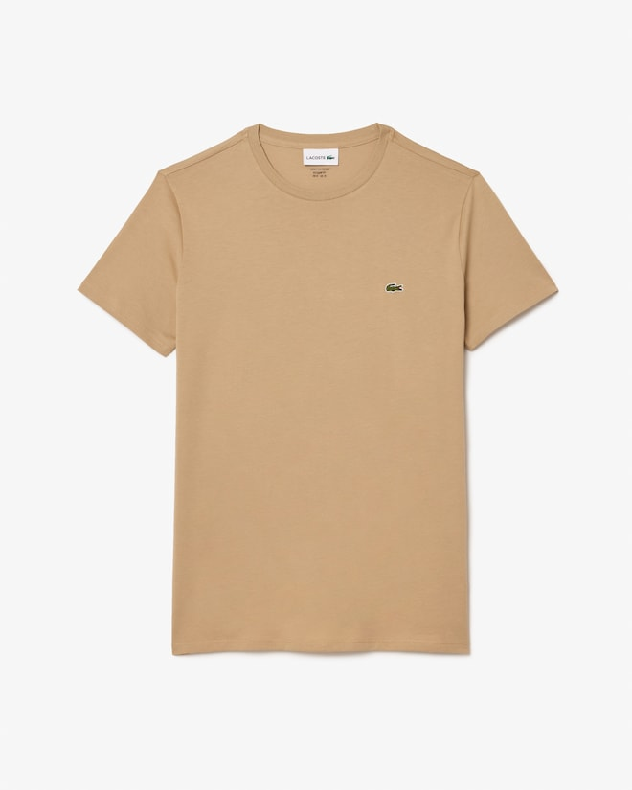

Lacoste
MODEL | MONOCHROME COTTON PIMA JERSEY CREW NECK T-SHIRT
8 | COLOUR | SIZES |  |  |  |  | STYLE NUMBER | TOTAL | DESCRIPTION
 | DARK KHAKI GREEN | 3-S | 4-M | 5-L | 6-XL | 7-XXL | TH6709-00-L7A | 2100 | Premium Pima cotton Regular, straight cut Weight: 130 gsm Embroidered crocodile on chest Cotton (100%)
 |  | 300 | 600 | 600 | 300 | 300
 |  |  |  |  |  |  | RETAIL PRICE | 60.00 €

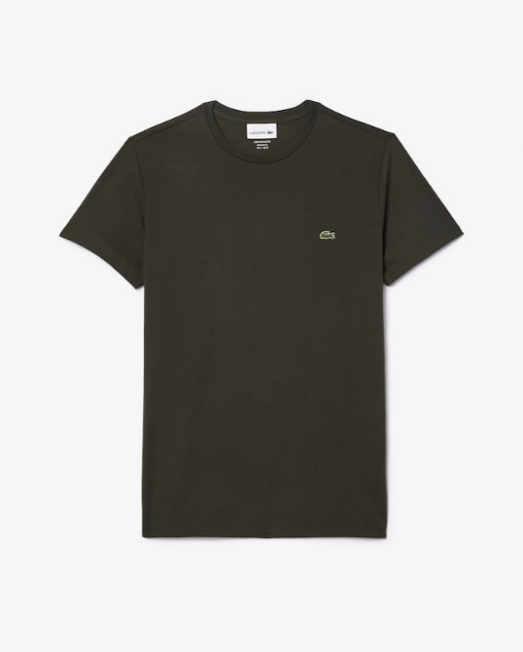

Lacoste
MODEL | MONOCHROME COTTON PIMA JERSEY CREW NECK T-SHIRT
9 | COLOUR | SIZES |  |  |  |  | STYLE NUMBER | TOTAL | DESCRIPTION
 | LIGTH BLUE | 3-S | 4-M | 5-L | 6-XL | 7-XXL | TH6709-00-TO1 | 2100 | Premium Pima cotton Regular, straight cut Weight: 130 gsm Embroidered crocodile on chest Cotton (100%)
 |  | 300 | 600 | 600 | 300 | 300
 |  |  |  |  |  |  | RETAIL PRICE | 60.00 €

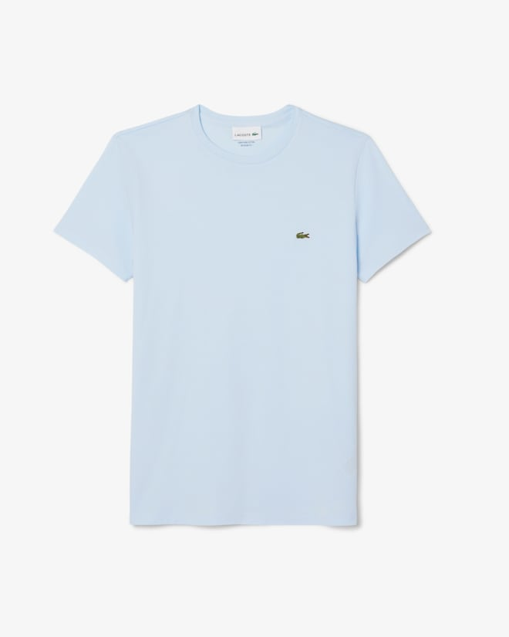

Lacoste
MODEL | MONOCHROME COTTON PIMA JERSEY CREW NECK T-SHIRT
10 | COLOUR | SIZES |  |  |  |  | STYLE NUMBER | TOTAL | DESCRIPTION
 | RESEDA PINK | 3-S | 4-M | 5-L | 6-XL | 7-XXL | TH6709-00-2R3 | 2100 | Premium Pima cotton Regular, straight cut Weight: 130 gsm Embroidered crocodile on chest Cotton (100%)
 |  | 300 | 600 | 600 | 300 | 300
 |  |  |  |  |  |  | RETAIL PRICE | 60.00 €

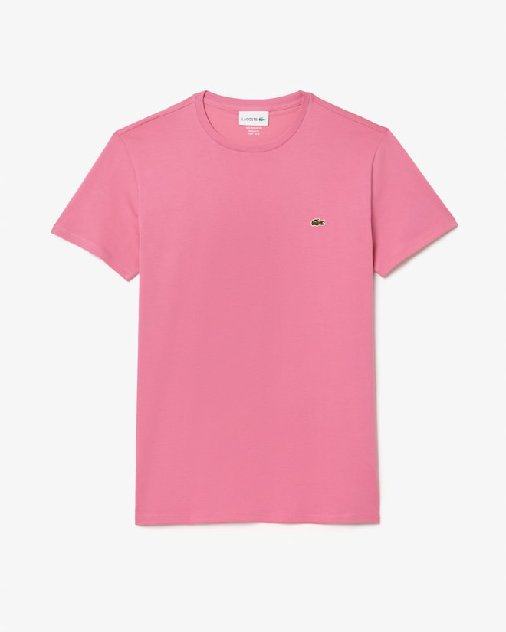

 |  |  |  |  |  |  | TOTAL | 21000

